Consultant Summary- Jasim
Consultant Summary- JASIM - 2024
Total Positions- Dashboard | 26 | Total Won Value- Dashboard | 736584
Total Positions- Sharepoint | 26 | Total Won Value- Sharepoint | 683576
Total Positions- PCR | 26 | Is the value correct, If not what is the correct value | 683576
Total Positions- Actual (It should be) | Correct Data

Total Candidates Placed- Dashboard | 7 | Time to Submit- Dahsboard | 77
Total Candidates Placed- Sharepoint | 3 | Avg Time to hire- Dashboard | 70
Total Candidates Placed- PCR | 7 | Is it correct? (Yes/ No) | No
Total Candidates Placed- Actual (It should be) | It should be 7 for 2024

Active Jobs- Dashboard | 19 | Other issues to list from the Consultant Summary- 2024 (All Conultants)
Active Jobs- Sharepoint | 13 | 1) Status changed in SharePoint does not reflect real time on the dashboard.
Active Jobs- Actual (It should be) | 13 | 2) We changed On hold positions to In active, lost to competition or Rework as On hold is considered as active jobs.
 |  | 3) The data for Avg time to hire and time to submit is wrong- where is it coming from? - See Image 1
Total Value Of Jobs- Dashboard | 1161200 | 4) The total candidates placed on sharepoint is wrong, it is showing 3 whereas it should be 7 as per pcr and dashboard- Jasim
Total Value Of Jobs- Sharepoint | 1161200 | 5) The ratios - Unclear on how the data is being calculated. - See Image 1
Is the value correct, If not what is the correct value | Correct Data | 6) The On Hold Positions are also falling under Active Jobs.
 |  | 7) Change of username in PCR does not reflect on Sharepoint- Issue of Sharepoint not dashboard.
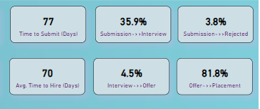

 |  | Image 1

Pipeline Summary
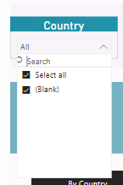
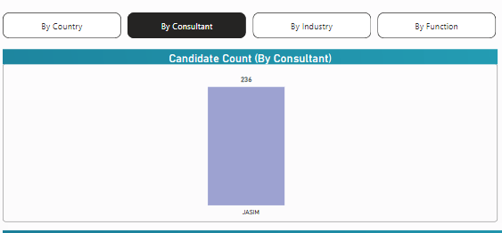
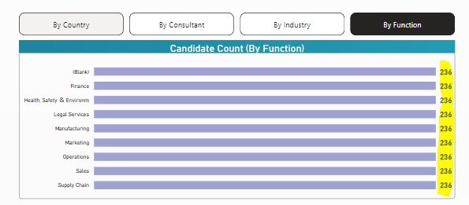
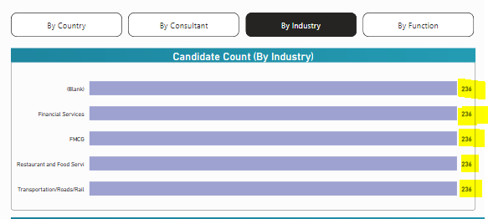
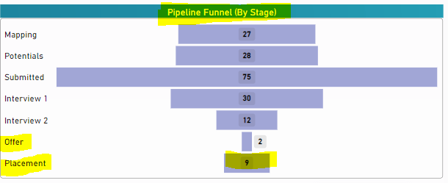
JASIM - 2024

Key issues to list from the Pipeline Summary- 2024
1) By Country for Jeff showing UAE and for the rest it is blank but for Teja is showing UAE and United Arab Emirates
2) By Consultant, Industry, and Function the number is showing same for all tabs for everyone.
3) Number of companies is incorrect, showing different all- Where is the data comping from?
4) When clicking No. of companies or any other value it only shows one and same form of data for all and what is the relevance of this data?
5) Pipeline Funnel (By Stage) is incorrect
6) Country is blank for all- only UAE and Blank - Country data we have already updated in SharePoint as well.
7) Cities data is not all there.

Pipeline Details
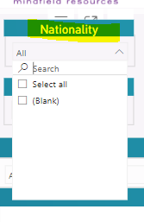
JASIM - 2024

Key issues to list from the Pipeline Details- 2024
1) Nationality is showing blank for the majority and wrong data for all - Teja countries are tagged instead of nationalty
2) Selecting Job titles does not reflect data for all positions and their respective pipeline.
3) Job titles do not change automatically, if changed and saved in PCR.
4) If selecting a particular months or quarter, the data remains the same and does not change.
5) Selecting position level if any, no data changes.
6) Data is not reflecting pipeline year wise example for 2024
7) Job Main Status- If any selection is done no data changes- Example Offer accepted, then No data changed.
8) Generally all the data is same for every tab clicked and inaccurate.

Job Summary- JASIM
Jobs by Status
Submission Done- Dashboard | 3 | Other issues to list from the Job Summary- 2024
Submission Done- Sharepoint | 3 | 1) Under candidates hired - what is blank?
On Hold- Dashboard | 0 | 2) Total candidates placed for the year 2024
On Hold- Sharepoint | 0 | 3) Under Candidates Hired- not all positions are showing and not all companies are showing even if selected per month in the positions received trend column. - See image below
Offer Accepted- Dashboard | 3 | 4) Jobs by status heading should mention Individual or consultant name.
Offer Accepted- Sharepoint | 3- Should be 8 for 2024
Under Interview- Dashboard | 2
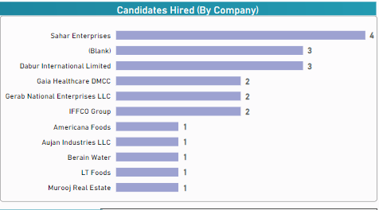
Under Interview- Sharepoint | 2
Internal Move- Dashboard | 1
Internal Move- Sharepoint | 1
Offer In Process- Dashboard | 0
Offer In Process- Sharepoint | 0
To Be Submitted- Dashboard | 2
To Be Submitted- Sharepoint | 2
Inactive- Dashboard | 15
Inactive- Sharepoint | 15
Rework- Dashboard | 1
Rework- Sharepoint | 1

Job Details
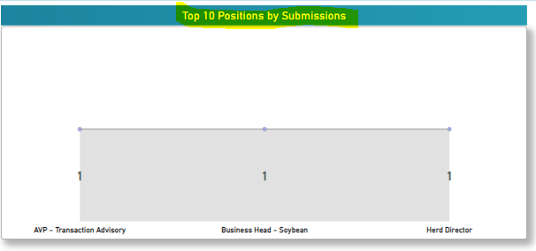
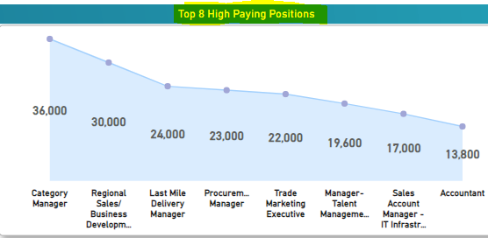
JASIM - 2024

Key issues to list from the Job Details- 2024
1) The data for Companies, active jobs in the pipeline is wrong.
2) Placed candidates is wrong for all.
3) Upcoming Renewal is blank.
4) Top 10 positions are incomplete and where is it picking from- See Image below
5) Top 8 High positions data is wrong for all and the same for all - See Image below
6) Active VS Passive client - Where is the coming from?

Performance- JASIM
Consultant Target Achievement - JASIM 2024
Total Jobs | Jobs Won | Bill Value Jobs Closed |  | Other issues to list from the Performance tab- 2024
Dashboard Total Jobs | Dashboard Won Jobs | Dashboard Bill Value |  | 1) Total jobs for the year 2024 is showing incorrect for all.
76 | 7 |  |  | 2) Jeff & Teja- Q3 is not showing in the filter- Unable to select
Actual Total Jobs for 2024 | Actual Won Jobs for 2024 | Actual bill Value- 2024 |  | 3) Total Jobs for 2024 in performance are incorrect for all.
26 | 7 |  |  | 4) Error when navigating to Performance tab for all- Unable to navigate to destination

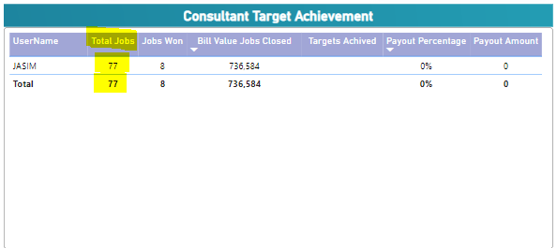
Consultant Target Achievement - Per Quarters 2024 - JASIM
Q1 | Q2 | Q3 | Q4
Dashboard Total Jobs | Dashboard Total Jobs | Dashboard Total Jobs | Dashboard Total Jobs
4 | 6 | 3 | NA
Actual Total Jobs for Q1 | Actual Total Jobs for Q2 | Actual Total Jobs for Q3 | Actual Total Jobs for Q3
11 | 9 | 6 | NA
Dashboard Won Jobs | Dashboard Won Jobs | Dashboard Won Jobs | Dashboard Won Jobs
4 | 2 | 2 | NA
Actual Won Jobs for Q1 | Actual Won Jobs for Q2 | Actual Won Jobs for Q3 | Actual Won Jobs for Q3
4 | 2 | 2 | NA
Dashboard Bill Value | Dashboard Bill Value | Dashboard Bill Value | Dashboard Bill Value
Correct | Correct | Correct | NA
Actual bill Value- Q1 | Actual bill Value- Q2 | Actual bill Value- Q3 | Actual bill Value- Q3
Correct | Correct | Correct | NA

